Rotomahana volumes
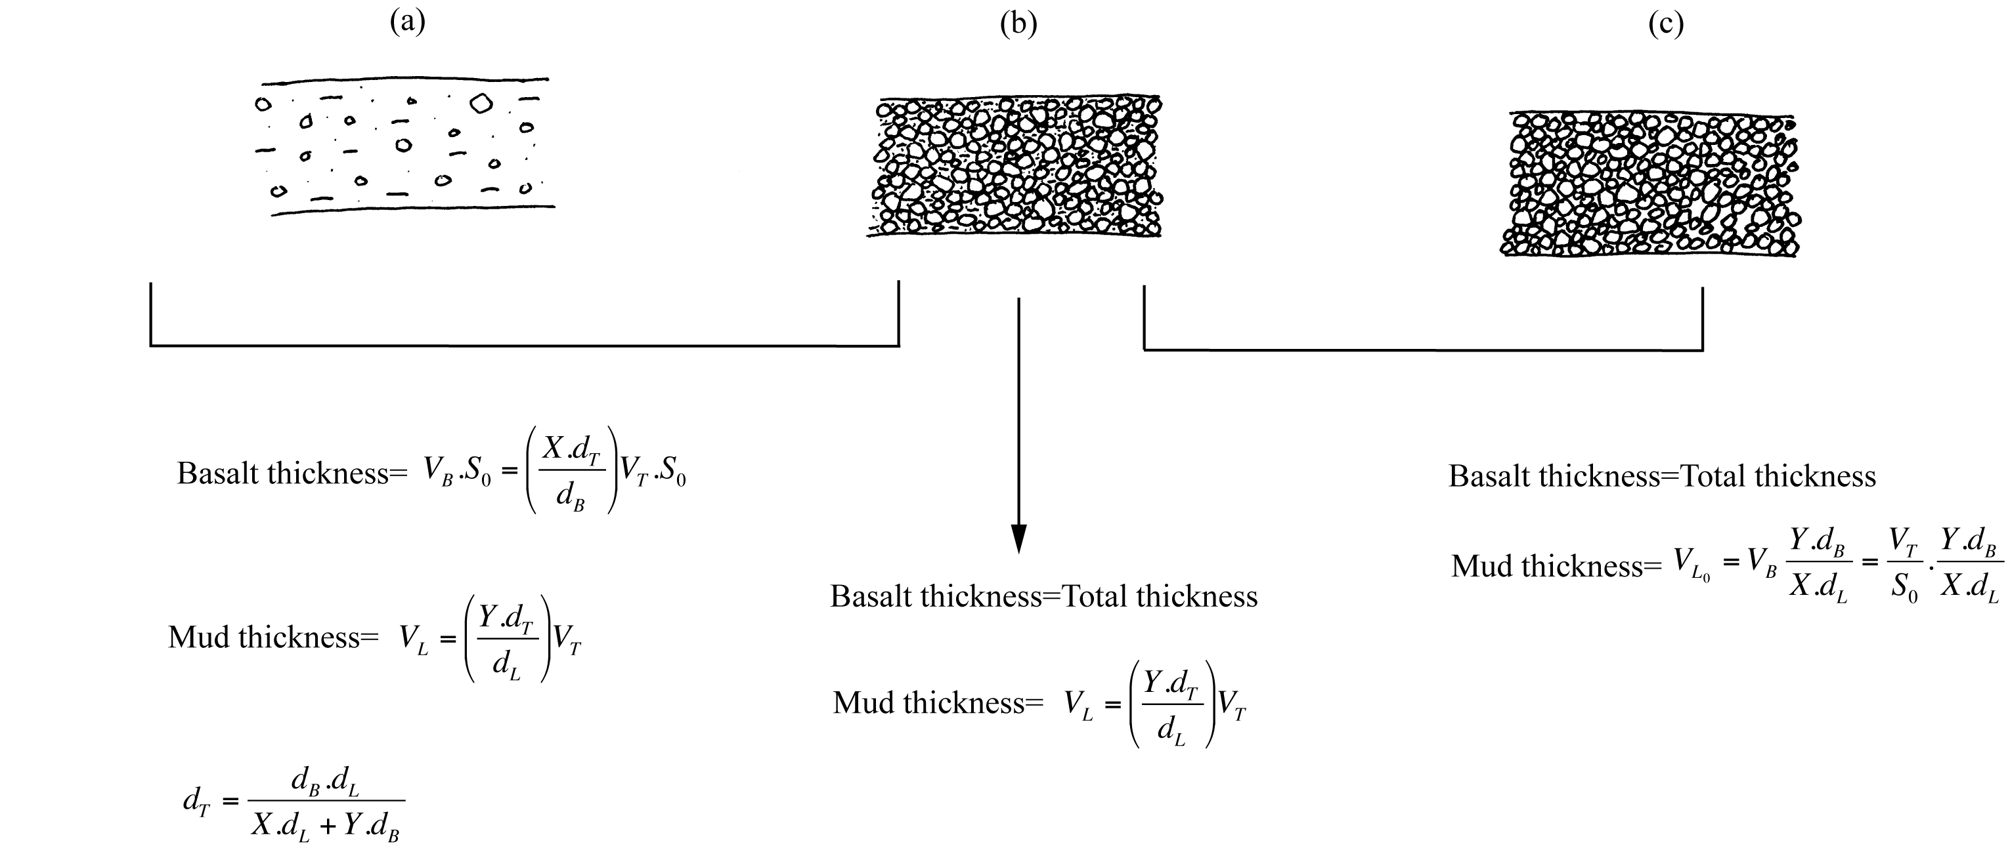
Rotomahana Volumes:

The Rotomahana mud is found pervasively through the entire area of the Tarawera-Rotomahana deposits. The mud is admixed with basaltic scoria in various quantities on most of the extent of the deposit east of the complex, and that should also be taken into account. Studies by then-PhD student Jean-Baptiste Rosseel addressed the whole of the Rotomahana Mud deposit, including where the mud is broadly dispersed as a subsidiary component in primarily basaltic scoria fall deposits.

Rotomahana Mud:

The basalt component sharing textures and grain-size trends with Tarawera Mtn scoria, inferred to have come from the Tarawera basaltic plume pouring particles on the Rotomahana zone, has been determined by analysing componentry and granulometry of the deposits at each site, and then subtracting them from the measured thickness and determined volume of the mud deposits. Similarly, mud admixed with basalt in the dominantly basaltic deposit has been subtracted in order to establish the volume and thickness represented by the mud deposit alone.
Because the granulometry and component analysis used to establish proportions of different particle types in the deposit is done by mass, which can be converted to volume, additional manipulation is required to convert the original linear thickness measurements. This procedure is summarised graphically:

